Sheet 3
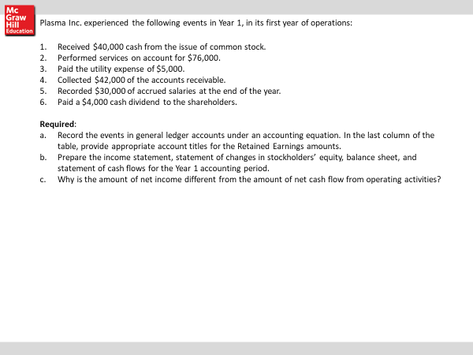
1 |  |  |  |  |  |  |  |  |  |  | QUESTION 2
2 |  |  |  |  |  |  |  |  |  |  | purcased inventory for$ 60,000 for cash
3 |  |  |  |  |  |  |  |  |  |  | sold inventory on acct for $25,000. the invenotry cost was $5000
4 |  |  |  |  |  |  |  |  |  |  | collected $10,000 pm accts rec
5
6
7
8

9
10

 |  | ACCOUNTING EQUATION: BALANCE SHEET |  |  |  |  |  |  |  |  |  |  |  |  |  |  |  |  |  | INCOME ST

EVENT |  | ASSETS |  |  |  |  |  |  | = | LIABILITIES |  |  |  | + | SHARHOLDERS EQUITY |  | cash flow | REVENUE |  | EXPENSES | NET INCOME | cash flow st.

 |  | CASH | ACCT REC | INVENTORY | LAND | PROP PL &EQ |  |  |  | ACCRUED SAL | NOTES PAY | INT. PAY |  |  | C/S | RET EARN. |  | SALES
 | BEG BAL | $- |  |  |  |  |  |  |  |  |  |  |  |  |  |  |  |  | -
 | 1 | 40,000 |  |  | - |  |  |  |  | - |  |  |  |  | 40,000 |  | FA | - | -
 | 2 | - | 76,000 |  |  |  |  |  |  |  | - |  |  |  |  | 76,000 | N/A | 76,000 | - | -
 | 3 | (5,000) |  |  |  | - |  |  |  |  |  |  |  |  | - | (5,000) | OA |  | - | 5,000
 | 4 | 42,000 | (42,000) |  | - |  |  |  |  | - |  |  |  |  |  | - | OA |  | -
 | 5 |  | - | - |  |  |  |  |  | 30,000 |  |  |  |  |  | (30,000) | N/A |  | - | 30,000
 | 6 | (4,000) |  |  |  |  |  |  |  |  |  |  |  |  |  | (4,000) | FA |  | -
 |  |  |  |  |  |  |  |  |  |  |  |  |  |  |  |  |  |  | -
 |  |  |  |  |  |  |  |  |  |  |  |  |  |  |  |  |  |  | -
 | BALANCE | $73,000 | $34,000 | $- | $- | $- | $- | $- | = | $30,000 | $- | $- | $- | + | $40,000 | $37,000 |  | $76,000 | - | $35,000 | $41,000

 |  |  | $107,000 |  |  |  |  |  |  |  |  | $107,000

 | INCOME STATEMENT |  |  |  |  |  | STATEMENT OF STOCKHOLDERS EQUITY |  |  |  |  |  |  |  | BALANCE SHEET

 | REVENUE |  | $76,000 |  |  |  | Beg common stock |  |  | $- |  |  |  |  | Assets:
 |  |  |  |  |  |  | add: stock issued |  |  | 40,000 |  |  |  |  | Cash | $73,000
 | Total revenue |  |  | 76,000 |  |  |  |  |  |  |  |  |  |  | A/R | 34,000
 | EXPENSES |  |  |  |  |  | Ending common stock |  |  |  | $40,000 |  |  |  | Less allow DA
 | UTILTIES |  | (5,000) |  |  |  |  |  |  |  |  |  |  |  | Net A/R
 | SALARIES |  | (30,000) |  |  |  | Beg Ret. Earn. |  |  | $- |  |  |  |  | Inventory | -
 |  |  | - |  |  |  | add: Net income |  |  | 41,000 |  |  |  |  | Land
 |  |  |  |  |  |  | less: dividends |  |  | (4,000) |  |  |  |  | PP&E
 | TOTAL EXPENSES |  |  | (35,000) |  |  | Ending Ret. Earn. |  |  |  | $37,000 |  |  |  | accum deprec
 |  |  |  |  |  |  |  |  |  |  |  |  |  |  | Total assets |  | $107,000
 | NET INCOME/LOSS |  |  | 41,000 |  |  | Total Shareholders Equity |  |  |  | $77,000
 |  |  |  |  |  |  |  |  |  |  |  |  |  |  | Liabliltiies:
 |  |  |  |  |  |  |  |  |  |  |  |  |  |  | ACCRUED SAL | $30,000
 |  |  |  |  |  |  |  |  |  |  |  |  |  |  | Notes pay
 |  |  |  |  |  |  |  |  |  |  |  |  |  |  | Interest pay
 | STATEMENT OF CASH FLOWS
 |  |  |  |  |  |  |  |  |  |  |  |  |  |  | Total Liab |  | $30,000
 | Cash from Operating activities |  |  | $-
 | COLLECTED CASH A/R |  |  | 42,000 |  |  |  |  |  |  |  |  |  |  | Stockholders equity
 | PAID UTILITY |  |  | (5,000) |  |  |  |  |  |  |  |  |  |  | Common Stock | 40000
 |  | Net Cash from Oper Act. |  |  |  |  |  |  |  |  |  |  |  |  | Retained Earnings | 37000
 |  |  |  |  |  |  |  |  |  |  |  |  |  |  |  |  | $77,000
 | Cash Flow from investing activites |  |  |  | $37,000
 |  |  |  |  |  |  |  |  |  |  |  |  |  |  | Total Liab & OE |  | $107,000

 | Net cash flow form Investing Activities

 |  | Net cash flow from Inv Act |  |  | $-

 | Cash flow from Financing Activites
 | Issuance of C/S |  |  | $40,000
 | PAID DIVIDENDS |  |  | (4,000)
 |  | Net cash flow form Fin Act |  |  | $36,000

 | Net Increase/decrease in cash |  |  |  | $73,000

 | Beg cash |  |  |  | 0
 | Ending Cash |  |  |  | $73,000

